Jingxin
 |  | S' writing sample1 (intro + part of body) | final essay sample 1 (intro)
Analysis 1 | numer of words | 172 | 172
 | average sentence length | 14.33 | 24.57
 | type / topken ration (lexical diversity) | 0.59 | 0.55
 | words with more than 2 syllables (%) | 15.7 | 22.54
 | syllables per 100 words (lexical richness) | 168.6 | 173.99
 | Readability - Flesch-Kincaid Grade | 9.9 | 14.85
 | Mean KR per token (knowledge based vocabulary list | 2118.71 | 2744.91
 | Mean Lexical Frequency Count (Tokens) | 2188.9 | 3019.16

 |  | Metadiscourse:

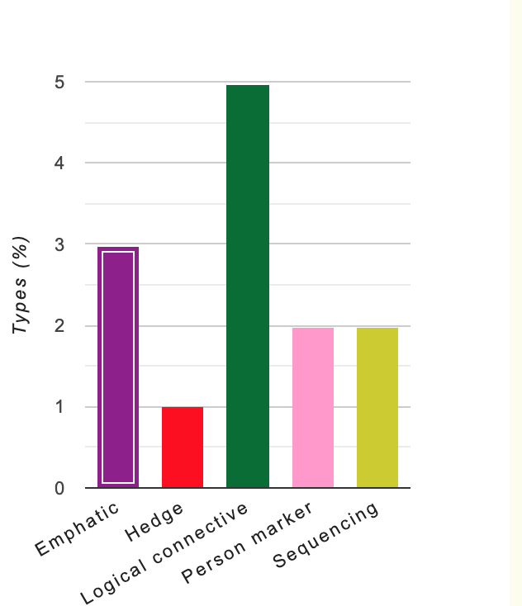

Analysis 2 |  | S' writing sample2 (intro + body) | Final Essay (intro + body)
 | numer of words | 281 | 281
 | average sentence length | 12.77 | 31.22
 | words with more than 2 syllables (%) | 19.93 | 52
 | syllables per 100 words (lexical complexity) | 180.43 | 166.19
 | Readability - Flesch-Kincaid Grade | 10.68 | 16.2
 | Mean KR per token (knowledge based vocabulary list | 2221.39 | 3559.55
 | Mean Lexical Frequency Count (Tokens)

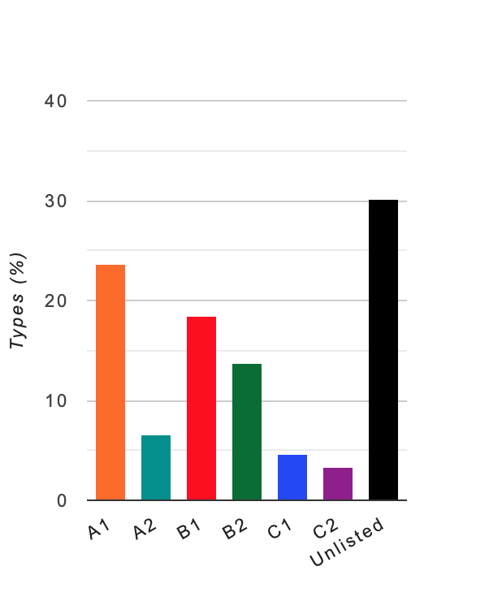

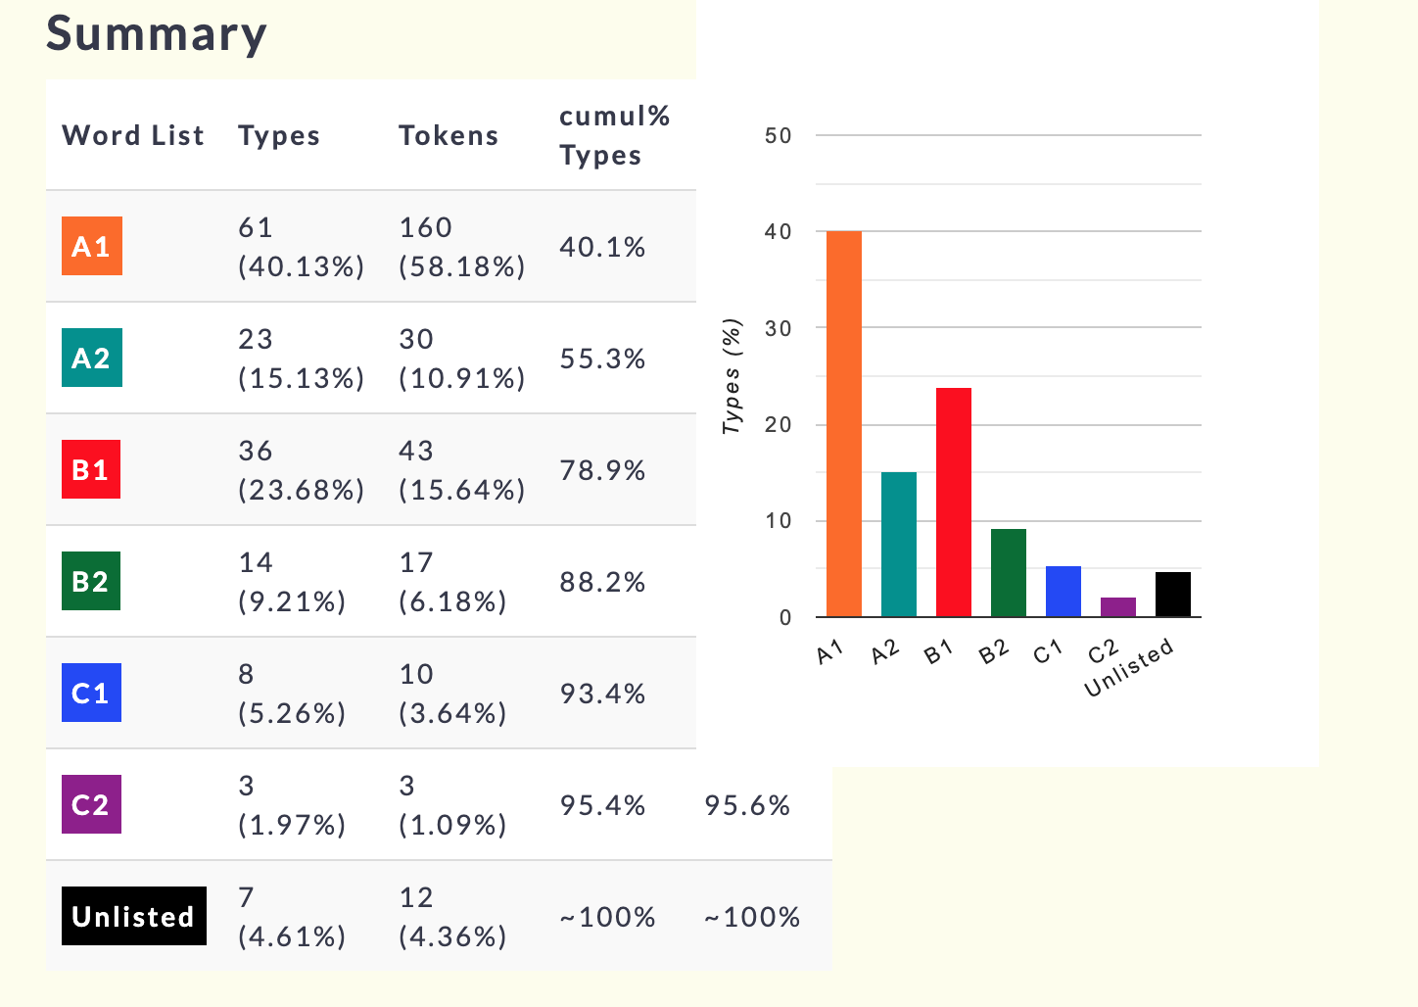
 | English Vocabulary Profile

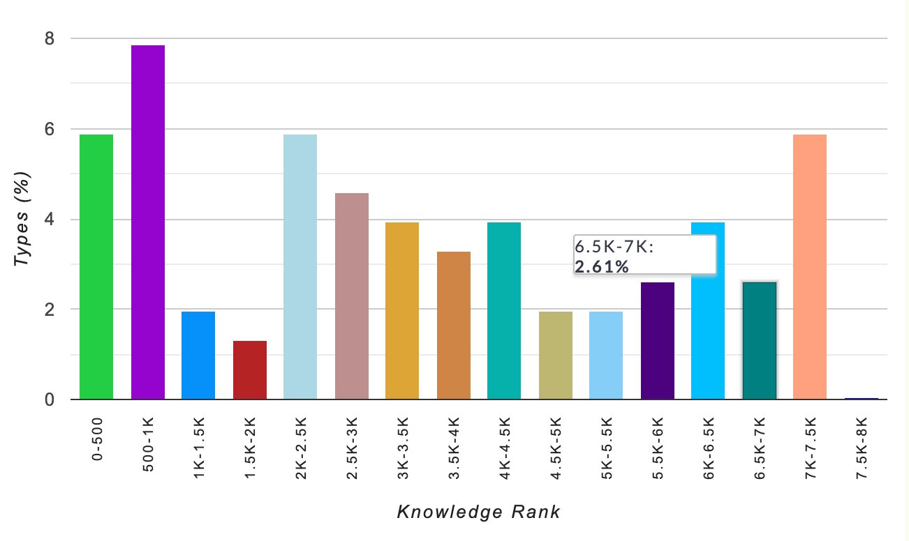

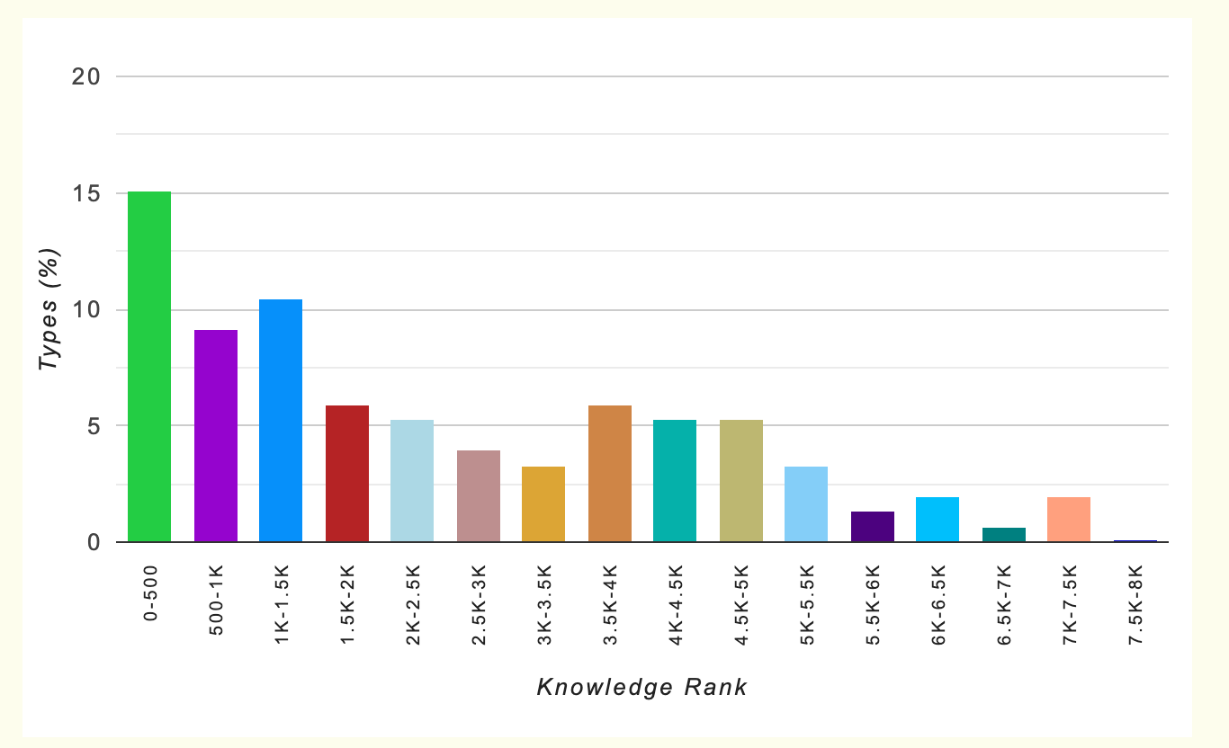
 | Knowledge based vocabulary rank

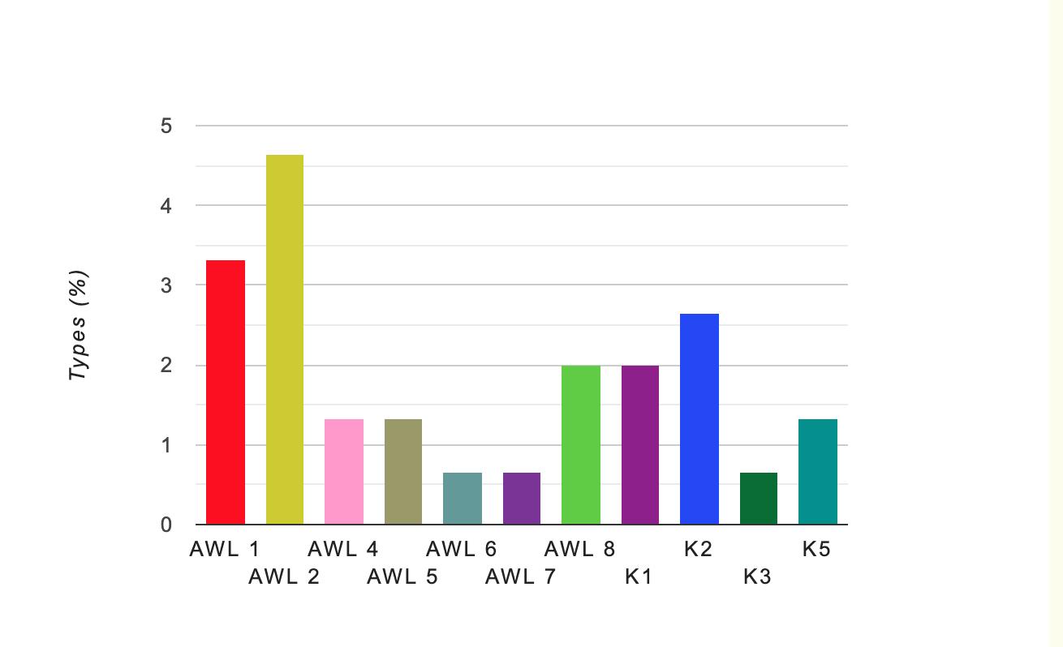
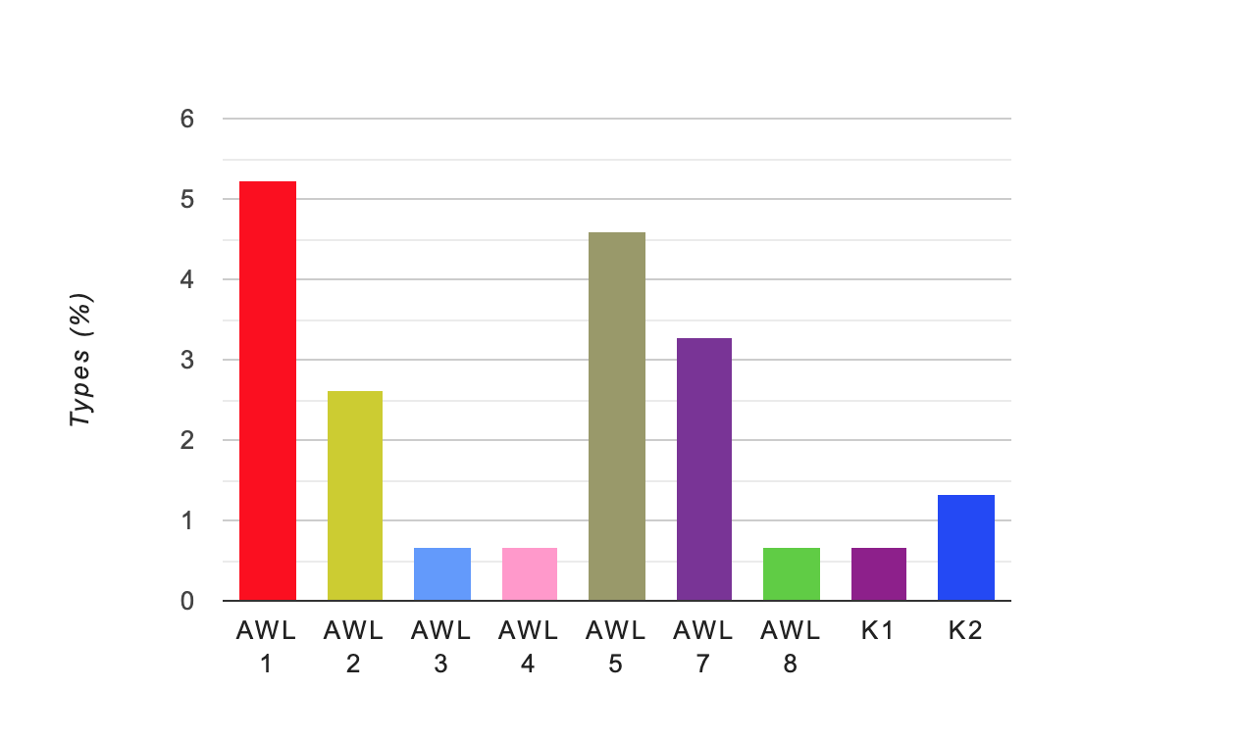
 | Academic Word List Analysis:

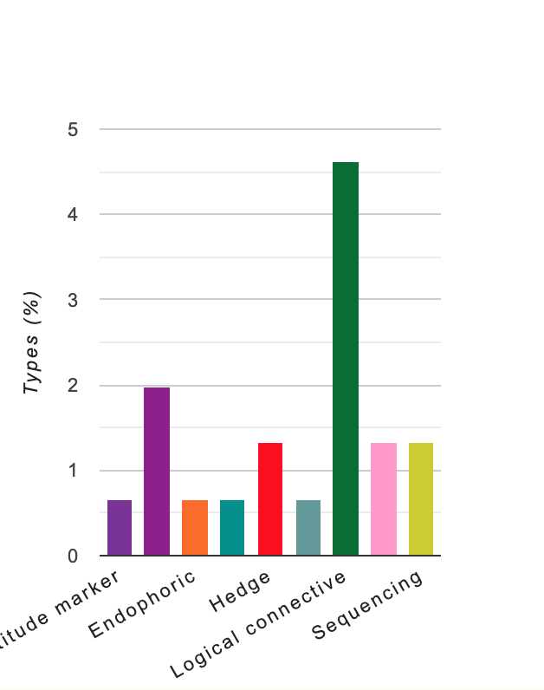
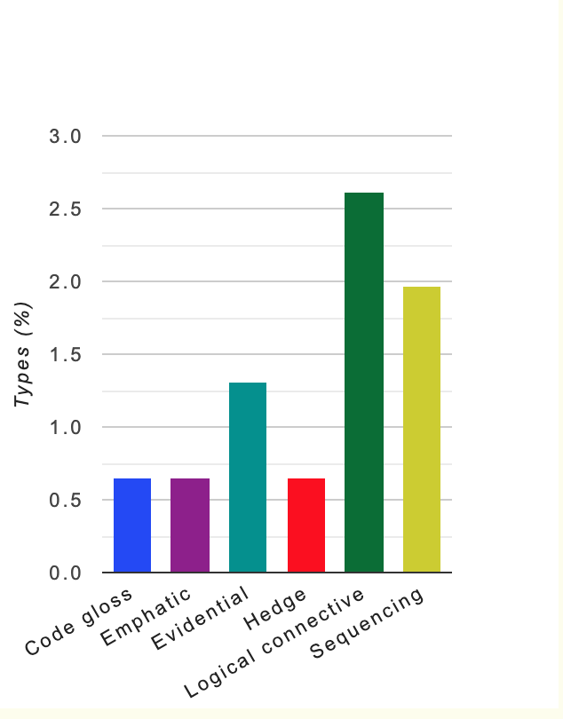
 | Metadiscourse

